Microservices
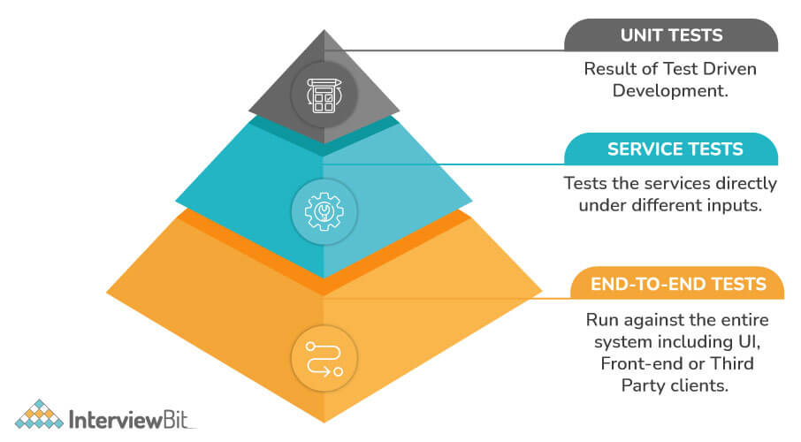
Microservices Questions and Answers
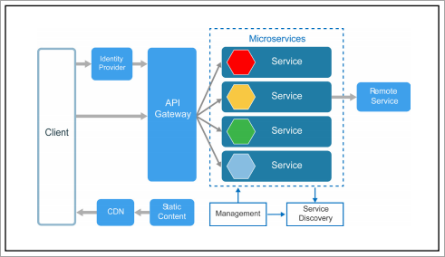

 | What are microservices?

 | What are the advantages of microservices architecture?

 | What are the features of microservices?

 | What are the best practices to design microservices?

 | What is DDD (Domain Driven Design)?

 | How does microservices architecture work?

 | What are the distinguishing factors between Monolithic, Microservices Architecture, and SOA?

 | What is cohesion?
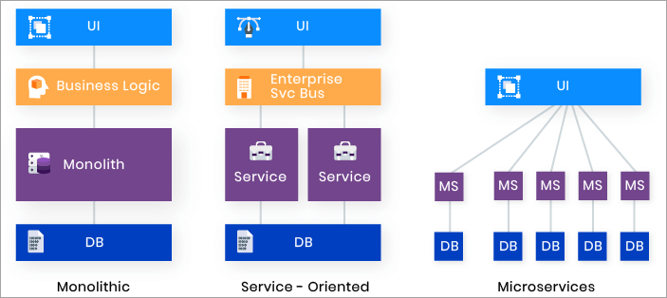
 | What are the main components of Microservices?

 | What are the main challenges in Microservice Deployment?

 | What are the different strategies of Microservices Deployment?

 | How does Docker help in Microservices?

 | What is Eureka in Microservices?

 | How will you deploy Exception Handling in Microservices?

 | How do independent Microservices communicate with each other?

 | How do you perform security testing of Microservices?

 | What do you understand by Idempotence, and how is it used ?

 | What are the tools that can be considered for managing a microservice architecture?

 | What are the most common mistakes while transitioning to Microservices?

 | How Would you test Microservice Based Architecture

 | What is Client and Server Side Service Discovery ?

 | Explain How can we scale Microservice based System ?

 | What is Bounded Context ?

 | Explain SOA and Microservice ?

 | What is Polyglot Persistence ? Can this idea be used in Monolithic application as well ?

 | What is 12 Factor App ?

 | How to convert the Large application into Microservice architecture ?
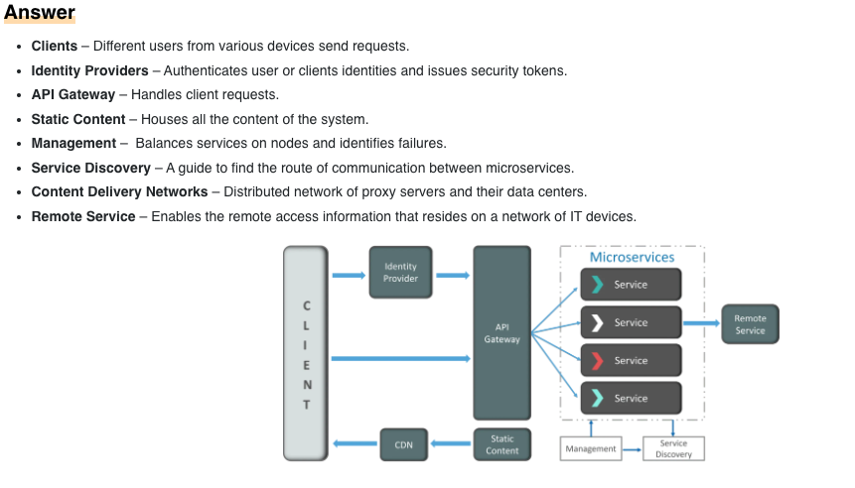
 | How do Microservices Communicate with each other ?

 | How to achieve Zero-downtime deployment (blue / Green) where there is database change ?

 | Explain Blue-Green deployment technique

 | How does Microservice Architecture work?

 | What are smart endpoints and dumb pipes?
 |  | Smart endpoints just meaning actual business rules and any other validations happens behind those endpoints which are not visible to anyone to the consumers of those endpoints think of it as a place where actual Magic happens.
 |  | Dumb pipelines means any communication means where no further actions e.g validations are taken place, it simply carries the data across that particular channel and it may also be replaceable if need be. The infrastructure chosen is typically dumb (dumb as in acts as a message router only). It just means that routing is the only function the pipes should be doing.

 | Whether do you find GraphQL the right fit for designing microservice architecture? | GraphQL and microservices are a perfect fit, because GraphQL hides the fact that you have a microservice architecture from the clients. From a backend perspective, you want to split everything into microservices, but from a frontend perspective, you would like all your data to come from a single API. Using GraphQL is the best way I know of that lets you do both. It lets you split up your backend into microservices, while still providing a single API to all your application, and allowing joins across data from different services.
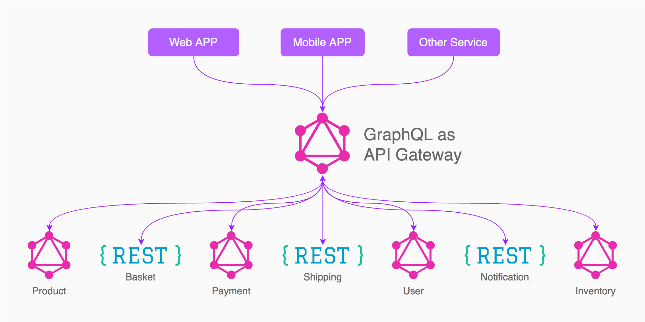

 | What do you mean by Mike Cohn’s Test Pyramid? | Mike Cohn's Test Pyramid explains the different types of automated tests needed for software development. The test pyramid is basically used to maximize automation at all levels of testing, including unit testing, service level testing, UI testing, etc. The pyramid also states that unit tests are faster and more isolated, while UI tests, which are at the top, are more time-consuming and are centered around integration.

